Sheet1
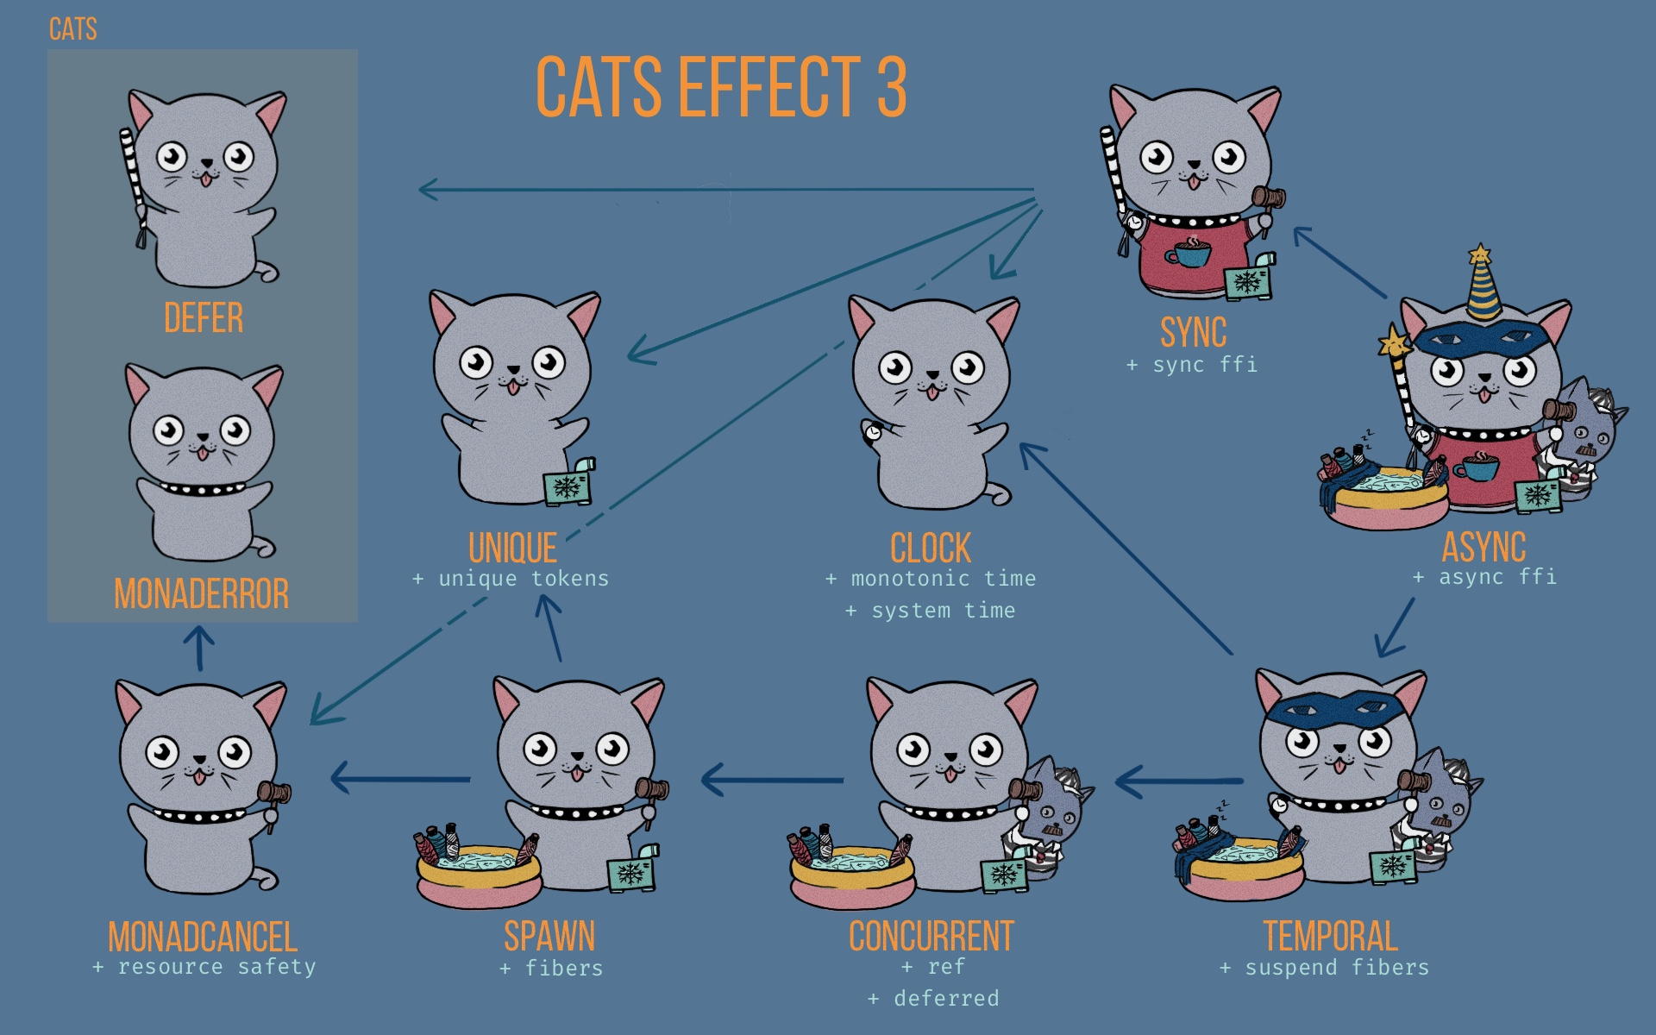
Type Class | Method | Description
MonadCancel (+ resource safety) | F.uncancelable | Masks cancelation on the current fiber
 | F.canceled | Calls self-cancellation the current fiber
 | F.onCancel | Registers a finalizer that is invoked if cancelation is observed during the evaluation of fa
 | F.guarantee | Specifies an effect that is always invoked after evaluation of fa completes, regardless of the outcome.
 | F.guaranteeCase | Specifies an effect that is always invoked after evaluation of fa completes, but depends on the outcome.
 | F.bracket | A pattern for safely interacting with effectful lifecycles.
 | F.bracketCase | A pattern for safely interacting with effectful lifecycles, depending on the outcome.

Spawn (+ fibers) | F.start | A low-level primitive for starting the concurrent evaluation of a fiber. Returns a Fiber that can be used to wait for a fiber or cancel it.
 | F.background | Returns a Resource that manages the concurrent execution of a fiber.
 | F.never | A non-terminating effect that never completes, which causes a fiber to semantically block indefinitely. This is the purely functional, asynchronous equivalent of an infinite while loop in Java, but no native threads are blocked.
 | F.race | Races the evaluation of two fibers and returns the result of the winner and cancels the loser fiber.
 | F.racePair | Races the evaluation of two fibers and returns the result of the winner and also returns the fiber of the loser.
 | F.racePairOutcome | Races the evaluation of two fibers and returns the result of the winner and cancels the loser fiber and returns in Outcome form (so user knows if left or right fiber won).
 | F.both | Runs the evaluation of two fibers and returns the result of both.
 | F.bothOutcome | Runs the evaluation of two fibers and returns the Outcome of both

Concurrent (+ ref + deffered) | F.memoize | Caches the result of fa.
 | F.parTraverseN | Like Parallel.parTraverse, but limits the degree of parallelism.
 | F.parSequenceN | Like Parallel.parSequence, but limits the degree of parallelism.

Clock (+ monotonic time + system time) | F.monotonic | Monotonic time - Analogous to java.lang.System.nanoTime.
 | F.realTime | A representation of the current system time - Analogous to java.lang.System.currentTimeMillis.
 | F.timed | Returns an effect that completes with the result of the source together with the duration that it took to complete.

Temporal (+ suspend fibers) | F.sleep | Semantically block the fiber for the specified duration.
 | F.delayBy | Delay the execution of fa by a given duration.
 | F.andWait | Wait for the specified duration after the execution of fa before returning the result.
 | F.timeoutTo | Given an effect and a time duration, runs this effect. However, if this effect doesn't complete in the time duration, it evaluates & returns the fallback action instead
 | F.timeout | Given an effect and a time duration, runs this effect. However, if this effect doesn't complete in the time duration, throws TimeoutException

Sync (+ sync ffi) | F.unique | Yields a value that is guaranteed to be unique ie (F.unique, F.unique).mapN(_ =!= _)
 | F.defer | Suspends the evaluation of an F[_] reference. (parameter is effect: => F[A])
 | F.delay | Lifts any by-name parameter (effect) into the F[_] context - for non thread-blocking operations. (parameter is effect: => A)
 | F.blocking | Lifts any by-name parameter (effect) into the F[_] context - for thread-blocking operations that are uncancelable (parameter is effect: => A)
 | F.interruptible | Lifts any by-name parameter (effect) into the F[_] context - for thread-blocking operations that are cancelable (parameter is effect: => A)
 | F.interruptibleMany | Same as F.interuptable, but if called to be interupted then will interupt repeatedly until the blocking operation completes or exists (instead of the once by F.interuptable)

Async (+ async ffi) | F.async | Takes a callback of type Either[Throwable, A] => Unit (representing the result of the asynchronous computation). The execution of async(k) is semantically blocked until the callback is invoked.
 | F.async_ | Same as F.async for when we don't need to perform F[_] effects or perform finalization in the event of cancelation.
 | F.never | An effect that never terminates.
 | F.fromFuture | Lifts a Future into an F effect.

